Sheet1
 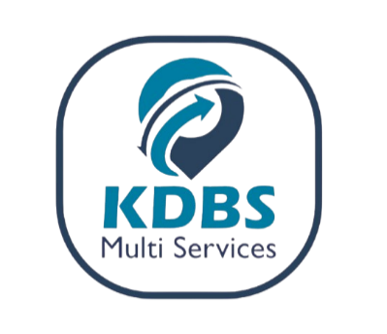
PROFORMA INVOICE
Office line: 0394001400

Country: UGANDA |  |  | FERI/AD: 2025TSLTZ1549615 |  |  | 2025-09-08

DEBTOR: RHO LOGISTICS AND FREIGHT FORWARDER

IMPORTER : GLOBAL BUSINESS TRADING
CERTIFICATE (FERI/ADR/AD) No : 2025TSLTZ1549615

Description | Unit | Quantity | Per Unit Cost | Total Amount | Exchange Rate | Total Amount (UGX SHS)
E43044/E43092/E42787 | CBM/ Container size | 50.35 | € 4.00 | € 201.40 | UGX 4,009.00 | UGX 807,412.60
 | No. of Entries | 1 | € 40.00 | € 40.00 | UGX 4,009.00 | UGX 160,360.00
SUB-TOTAL EURO |  |  |  | € 241.40
AD (CERTIFICATE OF DESTINATION) | No. of Entries | 0 | $20.00 | $0.00 | UGX 3,750.00 | UGX -
TRANSPORTER DRC FREIGHT TAX (1.8% of freight cost) | Freight Cost | $200.00 | 1.80% | $3.60 | UGX 3,750.00 | UGX 13,500.00
SUB-TOTAL USD |  |  |  | $3.60 | UGX 3,750.00 | UGX 13,500.00
DISCOUNT APPLIED |  |  |  | $0.00 | UGX 3,750.00 | UGX -
GRAND TOTAL |  |  |  | $286.04 | UGX 3,750.00 | UGX 981,272.60
EXCHANGE RATES ARE BASED ON THE DAILY CENTRAL BANK OF UGANDA &ECB RATES For Reference visit: www.bou.or.ug

UBA BANK (UGX) - 0253002189 (KDBS MULTI-SERVICES LIMITED)
UBA BANK (USD) - 0253002196 (KDBS MULTI-SERVICES LIMITED)
MTN MERCHANT- 407323 (KDBS MULTI-SERVICES LIMITED)

AIRTEL MERCHANT - 4395021 (KDBS MULTI-SERVICES LIMITED)

EQUITY BANK (UGX) - 1044203459111 (KDBS MULTI-SERVICES LIMITED)

EQUITY BANK (USD) - 1044203459156 (KDBS MULTI-SERVICES LIMITED)

